PnL_Horizon
Quote Number | Config Description | Units | List Price | Floor Price | Selling Price | Unit Cost | Total Revenue | Total Cost | Margin $ Pre Rebate | Margin % Pre Rebate | DOL % |  | Units | Total Revenue | Total Cost
US-3000206820765/1 | NVIDIA SN6600-LD, 2U, 128x800G OSFP, DLC Pluggable, DC BusBar | 480.00 | 603,749.58 | 83,317.44 | 82,515.00 | 59,410.82 | 39,607,200.00 | 28,517,193.60 | 11,090,006.40 | 28.00% | 86.33% | 2 | 960.00 | 79,214,400.00 | 57,034,387.20
US-3000206820765/1 | MMS4B10-XM-RHS | 45,360.00 | 607,371,760.80 | 81,995,187.71 | 1,530.00 | 1,346.11 | 69,400,800.00 | 61,059,549.60 | 8,341,250.40 | 12.02% | 100.00% |  | 90,720.00 | 138,801,600.00 | 122,119,099.20
Manual | Compscope PPL-SH-8AP-4x4-SM-BE4 | 7,560.00 |  |  | 430.67 | 323.00 | 3,255,865.20 | 2,441,880.00 | 813,985.20 | 25.00% |  |  | 15,120.00 | 6,511,730.40 | 4,883,760.00
Manual | CompScope Propel 2U | 240.00 |  |  | 506.67 | 380.00 | 121,600.80 | 91,200.00 | 30,400.80 | 25.00% |  |  | 480.00 | 243,201.60 | 182,400.00
 |  |  |  |  |  |  | 112,385,466.00 | 92,109,823.20 | 20,275,642.80 | 18.04% |  |  |  | 224,770,932.00 | 184,219,646.40

US-3000206822366/1 | NVDA SN5600D 2U 64xOSFP112, DC BusBar, C2P (I/P) Airflow, w/ Cumulus | 274.00 | 342,160.94 | 47,218.21 | 48,415.00 | 38,732.24 | 13,265,710.00 | 10,612,633.76 | 2,653,076.24 | 20.00% | 85.85% |  | 548.00 | 26,531,420.00 | 21,225,267.52
US-3000206822366/1 | MMS1X00-NS400 | 14,820.00 | 89,513,244.60 | 12,084,288.02 | 764.00 | 611.11 | 11,322,480.00 | 9,056,650.20 | 2,265,829.80 | 20.01% | 100.00% |  | 29,640.00 | 22,644,960.00 | 18,113,300.40
US-3000206822366/1 | MMS4X00-NM-T | 14,678.00 | 133,482,172.34 | 18,020,093.27 | 1,126.00 | 901.11 | 16,527,428.00 | 13,226,492.58 | 3,300,935.42 | 19.97% | 100.00% |  | 29,356.00 | 33,054,856.00 | 26,452,985.16
 |  |  |  |  |  |  | 41,115,618.00 | 32,895,776.54 | 8,219,841.46 | 19.99% |  |  |  | 82,231,236.00 | 65,791,553.08

US-3000206822633/1 | NVDA SN2201 48x1G (BT), 2DC PSU, C2P (I/P) Airflow, w/ BusBar, w/ Cumulus[MSN2201-CSMRC] | 75.00 | 24,776.13 | 3,652.15 | 3,528.00 | 3,104.33 | 264,600.00 | 232,824.75 | 31,775.25 | 12.01% | 85.76% |  | 150.00 | 529,200.00 | 465,649.50
US-3000206822633/1 | NVDA SN5600D 2U 64xOSFP112, DC BusBar, C2P (I/P) Airflow, w/ Cumulus | 6.00 | 342,160.94 | 47,218.21 | 48,415.00 | 38,732.24 | 290,490.00 | 232,393.44 | 58,096.56 | 20.00% | 85.85% |  | 12.00 | 580,980.00 | 464,786.88
US-3000206822633/1 | MMS1V70-CM | 150.00 | 430,317.00 | 58,092.80 | 341.00 | 300.36 | 51,150.00 | 45,054.00 | 6,096.00 | 11.92% | 99.92% |  | 300.00 | 102,300.00 | 90,108.00
US-3000206822633/1 | MMS4X00-NM-T | 208.00 | 1,891,558.24 | 255,360.36 | 1,126.00 | 901.11 | 234,208.00 | 187,430.88 | 46,777.12 | 19.97% | 99.94% |  | 416.00 | 468,416.00 | 374,861.76
 |  |  |  |  |  |  | 840,448.00 | 697,703.07 | 142,744.93 | 16.98% |  |  |  | 1,680,896.00 | 1,395,406.14

US-3000206822923/1 | APC IR9048 48U Rack, XE9712 GB300, IRC, 750mm x 120mm | 30.00 | 121,754.68 | 67,458.68 | 11,468.00 | 10,091.55 | 344,040.00 | 302,746.59 | 41,293.41 | 12.00% | 90.58% |  | 60.00 | 688,080.00 | 605,493.18 | 39,827.87
US-3000206822923/1 | PowerShelf 33KW, 19", 1U, LiteOn | 60.00 | 10,975.28 | 6,064.70 | 5,100.00 | 4,487.88 | 306,000.00 | 269,272.80 | 36,727.20 | 12.00% | 53.53% |  | 120.00 | 612,000.00 | 538,545.60
Manual | IR9148/750mmx1200mm/48U with 2x PowerShelves and IRC | 60.00 |  |  | 60351.23 | 47,544.91 | 3,621,073.80 | 2,852,694.60 | 768,379.20 | 21.22% |  |  | 120.00 | 7,242,147.60 | 5,705,389.20
 |  |  |  |  |  |  | 4,271,113.80 | 3,424,713.99 | 846,399.81 | 19.82% |  |  |  | 8,542,227.60 | 6,849,427.98

US-3000206824272/1 | NVIDIA SN6600-LD, 2U, 128x800G OSFP, DLC Pluggable, DC BusBar | 14.00 | 603,799.58 | 83,324.34 | 82,515.00 | 59,430.82 | 1,155,210.00 | 832,031.48 | 323,178.52 | 27.98% | 86.33% |  | 28.00 | 2,310,420.00 | 1,664,062.96
US-3000206824272/1 | NVDA SN5600D 2U 64xOSFP112, DC BusBar, C2P (I/P) Airflow, w/ Cumulus | 10.00 | 342,210.94 | 47,225.11 | 48,415.00 | 38,752.24 | 484,150.00 | 387,522.40 | 96,627.60 | 19.96% | 85.85% |  | 20.00 | 968,300.00 | 775,044.80
US-3000206824272/1 | NVDA SN2201 48x1G (BT), 2DC PSU, C2P (I/P) Airflow, w/ BusBar, w/ Cumulus[MSN2201-CSMRC] | 2.00 | 24,826.13 | 3,675.68 | 3,528.00 | 3,124.33 | 7,056.00 | 6,248.66 | 807.34 | 11.44% | 85.79% |  | 4.00 | 14,112.00 | 12,497.32
US-3000206824272/1 | MMS1V70-CM | 5.00 | 14,343.90 | 1,936.43 | 341.00 | 300.36 | 1,705.00 | 1,501.80 | 203.20 | 11.92% | 97.62% |  | 10.00 | 3,410.00 | 3,003.60
US-3000206824272/1 | MMS1X00-NS400 | 445.00 | 2,687,813.35 | 362,854.80 | 764.00 | 611.11 | 339,980.00 | 271,943.95 | 68,036.05 | 20.01% | 99.97% |  | 890.00 | 679,960.00 | 543,887.90
US-3000206824272/1 | MMS4X00-NM-T | 446.00 | 4,055,937.38 | 547,551.55 | 1,126.00 | 901.11 | 502,196.00 | 401,895.06 | 100,300.94 | 19.97% | 99.97% |  | 892.00 | 1,004,392.00 | 803,790.12
US-3000206824272/1 | MMS4B10-XM-RHS | 1,361.00 | 18,223,830.83 | 2,460,217.16 | 1,530.00 | 1,346.11 | 2,082,330.00 | 1,832,055.71 | 250,274.29 | 12.02% | 99.99% |  | 2,722.00 | 4,164,660.00 | 3,664,111.42
Manual | Compscope PPL-SH-8AP-4x4-SM-BE4 | 227.00 |  |  | 430.67 | 323.00 | 97,762.09 | 73,321.00 | 24,441.09 | 25.00% |  |  | 454.00 | 195,524.18 | 146,642.00
Manual | CompScope Propel 2U | 7.00 |  |  | 506.67 | 380.00 | 3,546.69 | 2,660.00 | 886.69 | 25.00% |  |  | 14.00 | 7,093.38 | 5,320.00
 |  |  |  |  |  |  | 4,673,935.78 | 3,809,180.06 | 864,755.72 | 18.50% |  |  |  | 9,347,871.56 | 7,618,360.12

US-3000206827371/1 | NVIDIA SN6600-LD, 2U, 128x800G OSFP, DLC Pluggable, DC BusBar | 256.00 | 603,749.58 | 83,317.44 | 82,515.00 | 59,410.82 | 21,123,840.00 | 15,209,169.92 | 5,914,670.08 | 28.00% | 86.33% |  | 512.00 | 42,247,680.00 | 30,418,339.84
US-3000206827371/1 | MMS4B10-XM-RHS | 15,120.00 | 202,457,253.60 | 27,331,729.24 | 1,530.00 | 1,346.11 | 23,133,600.00 | 20,353,183.20 | 2,780,416.80 | 12.02% | 100.00% |  | 30,240.00 | 46,267,200.00 | 40,706,366.40
 |  |  |  |  |  |  | 44,257,440.00 | 35,562,353.12 | 8,695,086.88 | 19.65% |  |  |  | 88,514,880.00 | 71,124,706.24

US-3000206827943/1 | NVDA SN5600D 2U 64xOSFP112, DC BusBar, C2P (I/P) Airflow, w/ Cumulus | 90.00 | 342,160.94 | 47,218.21 | 48,415.00 | 38,732.24 | 4,357,350.00 | 3,485,901.60 | 871,448.40 | 20.00% | 85.85% |  | 180.00 | 8,714,700.00 | 6,971,803.20
US-3000206827943/1 | MMS4X00-NM-T | 2,640.00 | 24,008,239.20 | 3,241,112.29 | 1,126.00 | 901.11 | 2,972,640.00 | 2,378,930.40 | 593,709.60 | 19.97% | 100.00% |  | 5,280.00 | 5,945,280.00 | 4,757,860.80
US-3000206827943/1 | MMS1X00-NS400 | 64.00 | 386,561.92 | 52,185.86 | 764.00 | 611.11 | 48,896.00 | 39,111.04 | 9,784.96 | 20.01% | 99.80% |  | 128.00 | 97,792.00 | 78,222.08
US-3000206827943/1 | [MMA4Z00-NS-FLT | 744.00 | 7,390,174.32 | 997,673.53 | 1,126.00 | 901.11 | 837,744.00 | 670,425.84 | 167,318.16 | 19.97% | 99.98% |  | 1,488.00 | 1,675,488.00 | 1,340,851.68
US-3000206827943/1 | MMA4Z00-NS] | 756.00 | 7,741,462.68 | 1,084,532.40 | 1,614.00 | 1,291.11 | 1,220,184.00 | 976,079.16 | 244,104.84 | 20.01% | 99.98% |  | 1,512.00 | 2,440,368.00 | 1,952,158.32
 |  |  |  |  |  |  | 9,436,814.00 | 7,550,448.04 | 1,886,365.96 | 19.99% |  |  |  | 18,873,628.00 | 15,100,896.08

US-3000206828867/1 | NVDA SN2201 48x1G (BT), 2DC PSU, C2P (I/P) Airflow, w/ BusBar, w/ Cumulus[MSN2201-CSMRC] | 28.00 | 24,776.13 | 3,652.15 | 3,528.00 | 3,104.33 | 98,784.00 | 86,921.24 | 11,862.76 | 12.01% | 85.76% |  | 56.00 | 197,568.00 | 173,842.48
US-3000206828867/1 | NVDA SN5600D 2U 64xOSFP112, DC BusBar, C2P (I/P) Airflow, w/ Cumulus | 4.00 | 342,160.94 | 47,218.21 | 48,415.00 | 38,732.24 | 193,660.00 | 154,928.96 | 38,731.04 | 20.00% | 85.85% |  | 8.00 | 387,320.00 | 309,857.92
US-3000206828867/1 | MMS1V70-CM | 56.00 | 160,651.68 | 21,687.98 | 341.00 | 300.36 | 19,096.00 | 16,820.16 | 2,275.84 | 11.92% | 99.79% |  | 112.00 | 38,192.00 | 33,640.32
US-3000206828867/1 | MMS4X00-NM-T | 112.00 | 1,018,531.36 | 137,501.73 | 1,126.00 | 901.11 | 126,112.00 | 100,924.32 | 25,187.68 | 19.97% | 99.89% |  | 224.00 | 252,224.00 | 201,848.64
 |  |  |  |  |  |  | 437,652.00 | 359,594.68 | 78,057.32 | 17.84% |  |  |  | 875,304.00 | 719,189.36

US-3000206831312/1 | APC IR9048 48U Rack, XE9712 GB300, IRC, 750mm x 120mm | 13.00 | 121,754.68 | 67,458.68 | 11,468.00 | 10,091.55 | 149,084.00 | 131,190.19 | 17,893.81 | 12.00% | 90.58% |  | 26.00 | 298,168.00 | 262,380.38
US-3000206831312/1 | PowerShelf 33KW, 19", 1U, LiteOn | 26.00 | 10,975.28 | 6,064.70 | 5,100.00 | 4,487.88 | 132,600.00 | 116,684.88 | 15,915.12 | 12.00% | 53.53% |  | 52.00 | 265,200.00 | 233,369.76
Manual | IR9148/750mmx1200mm/48U with 2x PowerShelves and IRC | 32.00 |  |  | 60351.23 | 47,544.91 | 1,931,239.36 | 1,521,437.12 | 409,802.24 | 21.22% |  |  | 64.00 | 3,862,478.72 | 3,042,874.24
 |  |  |  |  |  |  | 2,212,923.36 | 1,769,312.19 | 443,611.17 | 20.05% |  |  |  | 4,425,846.72 | 3,538,624.38

US-3000206830435/1 | NVIDIA SN6600-LD, 2U, 128x800G OSFP, DLC Pluggable, DC BusBar | 8.00 | 603,749.58 | 83,317.44 | 82,515.00 | 59,410.82 | 660,120.00 | 475,286.56 | 184,833.44 | 28.00% | 86.33% |  | 16.00 | 1,320,240.00 | 950,573.12
US-3000206830435/1 | NVDA SN5600D 2U 64xOSFP112, DC BusBar, C2P (I/P) Airflow, w/ Cumulus | 3.00 | 342,160.94 | 47,218.21 | 48,415.00 | 38,732.24 | 145,245.00 | 116,196.72 | 29,048.28 | 20.00% | 85.85% |  | 6.00 | 290,490.00 | 232,393.44
US-3000206830435/1 | NVDA SN2201 48x1G (BT), 2DC PSU, C2P (I/P) Airflow, w/ BusBar, w/ Cumulus[MSN2201-CSMRC] | 1.00 | 24,776.13 | 3,652.15 | 3,528.00 | 3,104.33 | 3,528.00 | 3,104.33 | 423.67 | 12.01% | 85.76% |  | 2.00 | 7,056.00 | 6,208.66
US-3000206830435/1 | MMS1V70-CM | 2.00 | 5,737.56 | 774.57 | 341.00 | 300.36 | 682.00 | 600.72 | 81.28 | 11.92% | 94.06% |  | 4.00 | 1,364.00 | 1,201.44
US-3000206830435/1 | MMS1V00-WM | 0.00 | 22,470.09 | 3,033.46 | 951.00 | 761.11 | 0.00 | 0.00 | 0.00 | #DIV/0! | 95.77% |  | - | - | -
US-3000206830435/1 | MMS1X00-NS400 | 2.00 | 12,080.06 | 1,630.81 | 764.00 | 611.11 | 1,528.00 | 1,222.22 | 305.78 | 20.01% | 93.68% |  | 4.00 | 3,056.00 | 2,444.44
US-3000206830435/1 | MMS4X00-NM-T | 79.00 | 718,428.37 | 96,987.83 | 1,126.00 | 901.11 | 88,954.00 | 71,187.69 | 17,766.31 | 19.97% | 99.84% |  | 158.00 | 177,908.00 | 142,375.38
US-3000206830435/1 | [MMA4Z00-NS-FLT | 22.00 | 218,526.66 | 29,501.10 | 1,126.00 | 901.11 | 24,772.00 | 19,824.42 | 4,947.58 | 19.97% | 99.48% |  | 44.00 | 49,544.00 | 39,648.84
US-3000206830435/1 | MMA4Z00-NS] | 23.00 | 235,520.69 | 32,995.03 | 1,614.00 | 1,291.11 | 37,122.00 | 29,695.53 | 7,426.47 | 20.01% | 99.31% |  | 46.00 | 74,244.00 | 59,391.06
US-3000206830435/1 | MMS4B10-XM-RHS | 454.00 | 6,079,073.62 | 820,674.94 | 1,530.00 | 1,346.11 | 694,620.00 | 611,133.94 | 83,486.06 | 12.02% | 99.97% |  | 908.00 | 1,389,240.00 | 1,222,267.88
 |  |  |  |  |  |  | 1,656,571.00 | 1,328,252.13 | 328,318.87 | 19.82% |  |  |  | 3,313,142.00 | 2,656,504.26

 |  |  |  |  |  |  | 212,256,894.00
 |  |  |  |  |  |  | 2853
 |  |  |  |  |  |  | 212,259,747.00 | 424,519,494.00

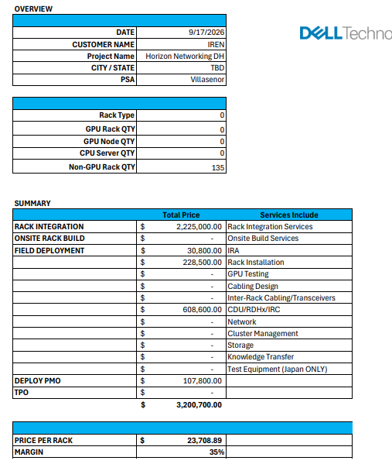
Item | Total Cost | Order Margin | Total Price | Comments
Data Hall E-W | $184,219,646.40 | 18.04% | $224,770,932.00
Data Hall N-S | $65,791,553.08 | 19.99% | $82,231,236.00
Data Hall OOB | $1,395,406.14 | 16.98% | $1,680,896.00
Data Hall Networking Rack Infrastructure | $6,849,427.98 | 19.82% | $8,542,227.60
Data Hall Networking Spares | $7,618,360.12 | 18.50% | $9,347,871.56
Total Data Hall | $265,874,393.72 | 18.59% | $326,573,163.16
Core E-W Network | $71,124,706.24 | 19.65% | $88,514,880.00
Core N-S Network | $15,100,896.08 | 19.99% | $18,873,628.00
Core OOB Network | $719,189.36 | 17.84% | $875,304.00
Core Networking Rack Infrastructure | $3,538,624.38 | 20.05% | $4,425,846.72
Core Networking Spares | $2,656,504.26 | 19.82% | $3,313,142.00 |  | 3,200,700.00
Total Core | $93,139,920.32 | 19.71% | $116,002,800.72
Rack Integration | $4,160,910.00 | 35.00% | $6,401,400.00
Total Horizon Networking | $363,175,224.04 | 19.11% | $448,977,363.88

PnL_Sweetwater
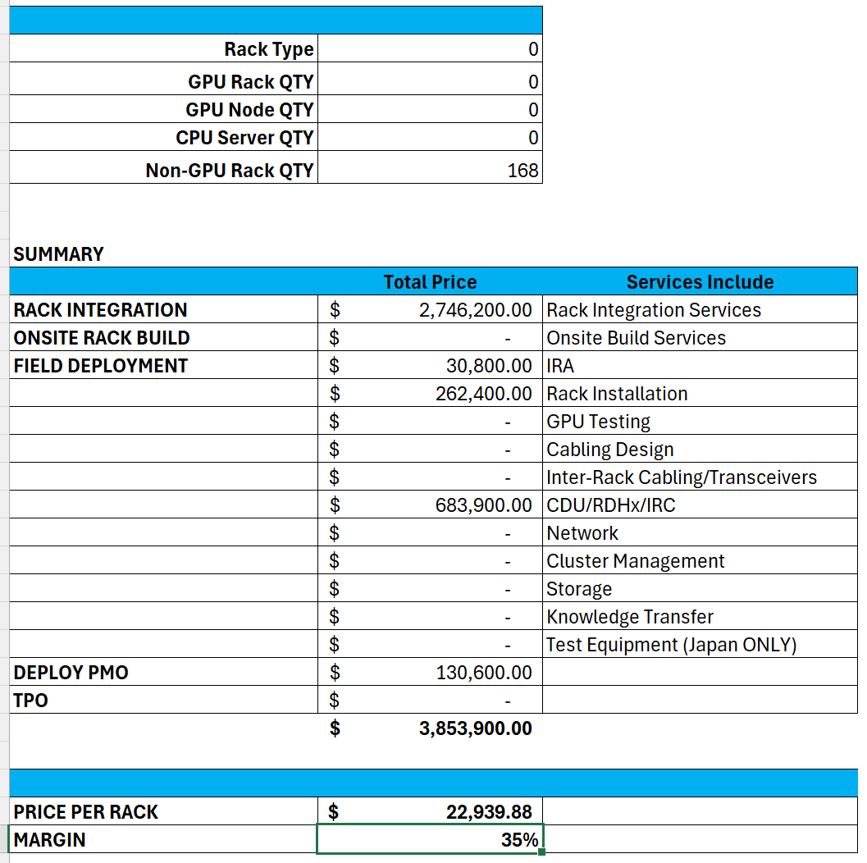
Quote Number | Config Description | Units | List Price | Selling Price | Unit Cost | Total Revenue | Total Cost | Margin $ | Margin % | DOL % |  | Total Units | Total Revenue | Total Cost | Margin $ Pre Rebate | Margin % Pre Rebate
US-3000206551052/1 | NVIDIA SN6600-LD, 2U, 128x800G OSFP, DLC Pluggable, DC BusBar | 864.00 | 603,749.58 | 82,515.00 | 59,410.82 | 71,292,960.00 | 51,330,948.48 | 19,962,011.52 | 28.00% | 86.33% | 4 | 3,456 | 285,171,840.00 | 205,323,793.92 | 79,848,046.08 | 28.00%
US-3000206551052/1 | MMS4B10-XM-RHS | 72,576.00 | 971,794,817.28 | 1,530.00 | 1,346.11 | 111,041,280.00 | 97,695,279.36 | 13,346,000.64 | 12.02% | 100.00% | E-W | 290,304 | 444,165,120.00 | 390,781,117.44 | 53,384,002.56 | 12.02%
 |  |  |  |  |  | 182,334,240.00 | 149,026,227.84 | 33,308,012.16 | 18.27% |  |  |  | 729,336,960.00 | 596,104,911.36 | 133,232,048.64 | 18.27%

US-3000206551326/1 | NVDA SN5600D 2U 64xOSFP112, DC BusBar, C2P (I/P) Airflow, w/ Cumulus | 328.00 | 342,160.94 | 48,415.00 | 38,732.24 | 15,880,120.00 | 12,704,174.72 | 3,175,945.28 | 20.00% | 85.85% | N-S | 1,312 | 63,520,480.00 | 50,816,698.88 | 12,703,781.12 | 20.00%
US-3000206551326/1 | MMS1X00-NS400 | 17,784.00 | 107,415,893.52 | 764.00 | 611.11 | 13,586,976.00 | 10,867,980.24 | 2,718,995.76 | 20.01% | 100.00% |  | 71,136 | 54,347,904.00 | 43,471,920.96 | 10,875,983.04 | 20.01%
US-3000206551326/1 | MMS4X00-NM-T | 17,588.00 | 159,945,799.64 | 1,126.00 | 901.11 | 19,804,088.00 | 15,848,722.68 | 3,955,365.32 | 19.97% | 100.00% |  | 70,352 | 79,216,352.00 | 63,394,890.72 | 15,821,461.28 | 19.97%
 |  |  |  |  |  | 49,271,184.00 | 39,420,877.64 | 9,850,306.36 | 19.99% |  |  | - | 197,084,736.00 | 157,683,510.56 | 39,401,225.44 | 19.99%

US-3000206558083/1 | APC IR9048 48U Rack, XE9712 GB300, IRC, 750mm x 120mm | 45.00 | 122,567.89 | 11,468.00 | 10,091.55 | 516,060.00 | 454,119.88 | 61,940.12 | 12.00% | 90.64% | DH Networking Rack Infrastructure | 180 | 2,064,240.00 | 1,816,479.54 | 247,760.46 | 12.00%
US-3000206558083/1 | PowerShelf 33KW, 19", 1U, LiteOn | 90.00 | 9,452.76 | 5,100.00 | 4,487.88 | 459,000.00 | 403,909.20 | 55,090.80 | 12.00% | 46.05% |  | 360 | 1,836,000.00 | 1,615,636.80 | 220,363.20 | 12.00%
Manual | Compscope PPL-SH-8AP-4x4-SM-BE4 | 18,288.00 |  | 430.67 | 323.00 | 7,876,092.96 | 5,907,024.00 | 1,969,068.96 | 25.00% |  |  | 73,152 | 31,504,371.84 | 23,628,096.00 | 7,876,275.84 | 25.00%
Manual | CompScope Propel 2U | 512.00 |  | 506.67 | 380.00 | 259,415.04 | 194,560.00 | 64,855.04 | 25.00% |  |  | 2,048 | 1,037,660.16 | 778,240.00 | 259,420.16 | 25.00%
Manual | IR9148/750mmx1200mm/48U with 2x PowerShelves and IRC | 112.00 |  | 60351.23 | 47,544.91 | 6,759,337.76 | 5,325,029.92 | 1,434,307.84 | 21.22% |  |  | 448 | 27,037,351.04 | 21,300,119.68 | 5,737,231.36 | 21.22%
 |  |  |  |  |  | 15,869,905.76 | 12,284,643.00 | 3,585,262.76 | 22.59% |  |  | - | 63,479,623.04 | 49,138,572.02 | 14,341,051.02 | 22.59%

US-3000206558023/1 | NVDA SN5600D 2U 64xOSFP112, DC BusBar, C2P (I/P) Airflow, w/ Cumulus | 66.00 | 342,160.94 | 48,415.00 | 38,732.24 | 3,195,390.00 | 2,556,327.84 | 639,062.16 | 20.00% | 85.85% | N-S Network Core | 264 | 12,781,560.00 | 10,225,311.36 | 2,556,248.64 | 20.00%
US-3000206558023/1 | MMS1X00-NS400 | 64.00 | 386,561.92 | 764.00 | 611.11 | 48,896.00 | 39,111.04 | 9,784.96 | 20.01% | 99.80% |  | 256 | 195,584.00 | 156,444.16 | 39,139.84 | 20.01%
US-3000206558023/1 | MMS4X00-NM-T | 2,048.00 | 18,624,573.44 | 1,126.00 | 901.11 | 2,306,048.00 | 1,845,473.28 | 460,574.72 | 19.97% | 99.99% |  | 8,192 | 9,224,192.00 | 7,381,893.12 | 1,842,298.88 | 19.97%
US-3000206558023/1 | MMA4Z00-NS-FLT | 496.00 | 7,390,174.32 | 1,126.00 | 901.11 | 558,496.00 | 446,950.56 | 111,545.44 | 19.97% | 99.98% |  | 1,984 | 2,233,984.00 | 1,787,802.24 | 446,181.76 | 19.97%
US-3000206558023/1 | MMA4Z00-NS | 496.00 | 5,079,054.88 | 1,614.00 | 1,291.11 | 800,544.00 | 640,390.56 | 160,153.44 | 20.01% | 99.97% |  | 1,984 | 3,202,176.00 | 2,561,562.24 | 640,613.76 | 20.01%
 |  |  |  | 576,512.00 |  | 6,909,374.00 | 5,528,253.28 | 1,381,120.72 | 19.99% |  |  |  | 27,637,496.00 | 22,113,013.12 | 5,524,482.88 | 19.99%

US-3000206558089/1 | APC IR9048 48U Rack, XE9712 GB300, IRC, 750mm x 120mm | 11.00 | 122,567.89 | 11,468.00 | 10,091.55 | 126,148.00 | 111,007.08 | 15,140.92 | 12.00% | 90.64% | Networking Rack Infrastructure Core | 44 | 504,592.00 | 444,028.33 | 60,563.67 | 12.00% | 40220.45
US-3000206558089/1 | PowerShelf 33KW, 19", 1U, LiteOn | 22.00 | 9,452.76 | 5,100.00 | 4,487.88 | 112,200.00 | 98,733.36 | 13,466.64 | 12.00% | 46.05% |  | 88 | 448,800.00 | 394,933.44 | 53,866.56 | 12.00%
 |  |  |  |  |  | 238,348.00 | 209,740.44 | 28,607.56 | 12.00% |  |  |  | 953,392.00 | 838,961.77 | 114,430.23 | 12.00%

US-3000206558019/1 | NVDA SN5600D 2U 64xOSFP112, DC BusBar, C2P (I/P) Airflow, w/ Cumulus | 2.00 | 342,160.94 | 48,415.00 | 38,732.24 | 96,830.00 | 77,464.48 | 19,365.52 | 20.00% | 85.85% | Networking Spares | 8 | 387,320.00 | 309,857.92 | 77,462.08 | 20.00%
US-3000206558019/1 | NVDA SN2201 48x1G (BT), 2DC PSU, C2P (I/P) Airflow, w/ BusBar, w/ Cumulus[MSN2201-CSMRC] | 1.00 | 24,776.13 | 3,528.00 | 3,104.33 | 3,528.00 | 3,104.33 | 423.67 | 12.01% | 85.76% |  | 4 | 14,112.00 | 12,417.32 | 1,694.68 | 12.01%
US-3000206558019/1 | MMS1V70-CM | 15.00 | 2,868.78 | 341.00 | 300.36 | 5,115.00 | 4,505.40 | 609.60 | 11.92% | 88.11% |  | 60 | 20,460.00 | 18,021.60 | 2,438.40 | 11.92%
US-3000206558019/1 | MMS1X00-NS400 | 10.00 | 12,080.06 | 764.00 | 611.11 | 7,640.00 | 6,111.10 | 1,528.90 | 20.01% | 93.68% |  | 40 | 30,560.00 | 24,444.40 | 6,115.60 | 20.01%
US-3000206558019/1 | MMS4X00-NM-T | 64.00 | 582,017.92 | 1,126.00 | 901.11 | 72,064.00 | 57,671.04 | 14,392.96 | 19.97% | 99.81% |  | 256 | 288,256.00 | 230,684.16 | 57,571.84 | 19.97%
US-3000206558019/1 | MMA4Z00-NS-FLT | 15.00 | 228,459.69 | 1,126.00 | 901.11 | 16,890.00 | 13,516.65 | 3,373.35 | 19.97% | 99.51% |  | 60 | 67,560.00 | 54,066.60 | 13,493.40 | 19.97%
US-3000206558019/1 | MMA4Z00-NS | 15.00 | 153,600.45 | 1,614.00 | 1,291.11 | 24,210.00 | 19,366.65 | 4,843.35 | 20.01% | 98.95% |  | 60 | 96,840.00 | 77,466.60 | 19,373.40 | 20.01%
 |  |  |  |  |  | 226,277.00 | 181,739.65 | 44,537.35 | 19.68% |  |  |  | 905,108.00 | 726,958.60 | 178,149.40 | 19.68%

US-3000206558170/1 | NVIDIA SN6600-LD, 2U, 128x800G OSFP, DLC Pluggable, DC BusBar | 26.00 | 603,749.58 | 74,264.00 | 59,410.82 | 1,930,864.00 | 1,544,681.32 | 386,182.68 | 20.00% | 87.70% | DH Network Switches and Optics Spares | 104 | 7,723,456.00 | 6,178,725.28 | 1,544,730.72 | 20.00%
US-3000206558170/1 | NVDA SN5600D 2U 64xOSFP112, DC BusBar, C2P (I/P) Airflow, w/ Cumulus | 10.00 | 342,160.94 | 48,415.00 | 38,732.24 | 484,150.00 | 387,322.40 | 96,827.60 | 20.00% | 85.85% |  | 40 | 1,936,600.00 | 1,549,289.60 | 387,310.40 | 20.00%
US-3000206558170/1 | NVDA SN2201 48x1G (BT), 2DC PSU, C2P (I/P) Airflow, w/ BusBar, w/ Cumulus[MSN2201-CSMRC] | 3.00 | 24,776.13 | 3,528.00 | 3,104.33 | 10,584.00 | 9,312.99 | 1,271.01 | 12.01% | 85.76% |  | 12 | 42,336.00 | 37,251.96 | 5,084.04 | 12.01%
US-3000206558170/1 | MMS1V70-CM | 6.00 | 17,212.68 | 341.00 | 300.36 | 2,046.00 | 1,802.16 | 243.84 | 11.92% | 98.02% |  | 24 | 8,184.00 | 7,208.64 | 975.36 | 11.92%
US-3000206558170/1 | MMS1X00-NS400 | 534.00 | 3,225,376.02 | 764.00 | 611.11 | 407,976.00 | 326,332.74 | 81,643.26 | 20.01% | 99.98% |  | 2,136 | 1,631,904.00 | 1,305,330.96 | 326,573.04 | 20.01%
US-3000206558170/1 | MMS4X00-NM-T | 538.00 | 4,892,588.14 | 1,126.00 | 901.11 | 605,788.00 | 484,797.18 | 120,990.82 | 19.97% | 99.98% |  | 2,152 | 2,423,152.00 | 1,939,188.72 | 483,963.28 | 19.97%
US-3000206558170/1 | MMS4B10-XM-RHS | 2,195.00 | 29,391,115.85 | 1,530.00 | 1,346.11 | 3,358,350.00 | 2,954,711.45 | 403,638.55 | 12.02% | 99.99% |  | 8,780 | 13,433,400.00 | 11,818,845.80 | 1,614,554.20 | 12.02%
 |  |  |  |  |  | 6,799,758.00 | 5,708,960.24 | 1,090,797.76 | 16.04% |  |  |  | 27,199,032.00 | 22,835,840.96 | 4,363,191.04 | 16.04%

US-3000206552935/1 | NVDA SN5600D 2U 64xOSFP112, DC BusBar, C2P (I/P) Airflow, w/ Cumulus | 10.00 | 342,160.94 | 48,415.00 | 38,732.24 | 484,150.00 | 387,322.40 | 96,827.60 | 20.00% | 85.85% | OOB | 40 | 1,936,600.00 | 1,549,289.60 | 387,310.40 | 20.00%
US-3000206552935/1 | NVDA SN2201 48x1G (BT), 2DC PSU, C2P (I/P) Airflow, w/ BusBar, w/ Cumulus[MSN2201-CSMRC] | 92.00 | 24,776.13 | 3,528.00 | 3,104.33 | 324,576.00 | 285,598.36 | 38,977.64 | 12.01% | 85.76% |  | 368 | 1,298,304.00 | 1,142,393.44 | 155,910.56 | 12.01%
US-3000206552935/1 | MMS1V70-CM | 184.00 | 527,855.52 | 341.00 | 300.36 | 62,744.00 | 55,266.24 | 7,477.76 | 11.92% | 99.94% |  | 736 | 250,976.00 | 221,064.96 | 29,911.04 | 11.92%
US-3000206552935/1 | MMS4X00-NM-T | 344.00 | 3,128,346.32 | 1,126.00 | 901.11 | 387,344.00 | 309,981.84 | 77,362.16 | 19.97% | 99.96% |  | 1,376 | 1,549,376.00 | 1,239,927.36 | 309,448.64 | 19.97%
 |  |  |  |  |  | 1,258,814.00 | 1,038,168.84 | 220,645.16 | 17.53% |  |  |  | 5,035,256.00 | 4,152,675.36 | 882,580.64 | 17.53%

US-3000206557749/1 | NVDA SN5600D 2U 64xOSFP112, DC BusBar, C2P (I/P) Airflow, w/ Cumulus | 4.00 | 342,160.94 | 48,415.00 | 38,732.24 | 193,660.00 | 154,928.96 | 38,731.04 | 20.00% | 85.85% | OOB Network Core | 16 | 774,640.00 | 619,715.84 | 154,924.16 | 20.00%
US-3000206557749/1 | NVDA SN2201 48x1G (BT), 2DC PSU, C2P (I/P) Airflow, w/ BusBar, w/ Cumulus[MSN2201-CSMRC] | 21.00 | 24,776.13 | 3,528.00 | 3,104.33 | 74,088.00 | 65,190.93 | 8,897.07 | 12.01% | 85.76% |  | 84 | 296,352.00 | 260,763.72 | 35,588.28 | 12.01%
US-3000206557749/1 | MMS1V70-CM | 512.00 | 28,687.80 | 341.00 | 300.36 | 174,592.00 | 153,784.32 | 20,807.68 | 11.92% | 98.81% |  | 2,048 | 698,368.00 | 615,137.28 | 83,230.72 | 11.92%
US-3000206557749/1 | MMS4X00-NM-T | 64.00 | 582,017.92 | 1,126.00 | 901.11 | 72,064.00 | 57,671.04 | 14,392.96 | 19.97% | 99.81% |  | 256 | 288,256.00 | 230,684.16 | 57,571.84 | 19.97%
 |  |  |  |  |  | 514,404.00 | 431,575.25 | 82,828.75 | 16.10% |  |  |  | 2,057,616.00 | 1,726,301.00 | 331,315.00 | 16.10%

 |  |  |  |  | GOAL 1 Building | 248,527,459.00 | 202,403,572.27 | 46,123,886.73 | 18.56%
 |  |  |  |  | GOAL 4 Buildings | 994,109,836.00 | 809,614,289.07 | 184,495,546.93 | 18.56%

Manual | Compscope PPL-SH-8AP-4x4-SM-BE4 | 549.00 |  | 430.67 | 323.00 | 236,437.83 | 177,327.00 | 59,110.83 | 25.00%
Manual | CompScope Propel 2U | 19.00 |  | 506.67 | 380.00 | 9,626.73 | 7,220.00 | 2,406.73 | 25.00%
 |  |  |  |  |  | 246,064.56 | 184,547.00 | 61,517.56 | 25.00%

Item | Cost | QTY | Total Cost | Order Margin | Total Price | Comments
Data Hall E-W |  |  | $596,104,911.36 | 18.27% | $729,336,960.00
Data Hall N-S |  |  | $157,683,510.56 | 19.99% | $197,084,736.00
Data Hall OOB |  |  | $4,152,675.36 | 17.53% | $5,035,256.00
Data Hall Network Switches and Optics Spares |  |  | $22,835,840.96 | 16.04% | $27,199,032.00
Data Hall Networking Rack Infrastructure |  |  | $49,138,572.02 | 22.59% | $63,479,623.04
Total Data Hall |  |  | $829,915,510.26 | 18.81% | $1,022,135,607.04
Core N-S Network |  |  | $22,113,013.12 | 19.99% | $27,637,496.00
Core OOB Network |  |  | $1,726,301.00 | 16.10% | $2,057,616.00
Core Networking Spares |  |  | $726,958.60 | 19.68% | $905,108.00
Core Networking Rack Infrastructure |  |  | $838,961.77 | 12.00% | $953,392.00
Total Core |  |  | $25,405,234.49 | 19.49% | $31,553,612.00
Rack Integration |  |  | $10,020,140.00 | 35.00% | $15,415,600.00
Total Sweetwater Networking |  |  | $865,340,884.75 | 19.06% | $1,069,104,819.04 |  | 1,070,800,970
 |  |  |  |  |  |  | 1,070,089,077
 |  |  |  |  | 1,054,000,000.00 |  | 711,893
 |  |  |  |  | $0.00 |  | 177,973.18

